Issue fix
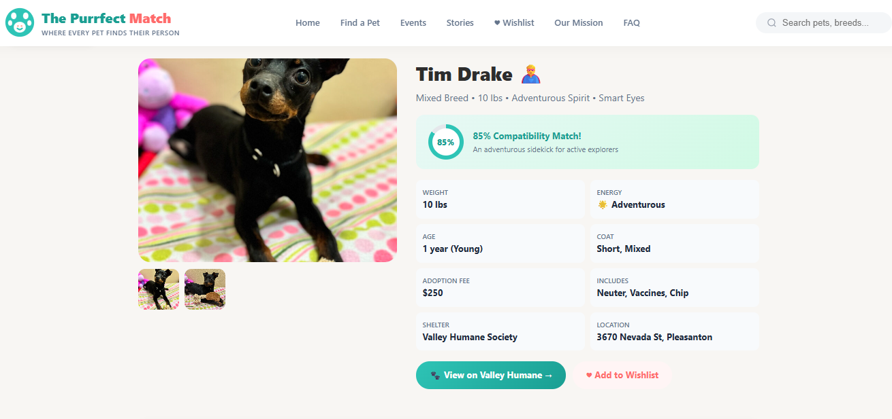
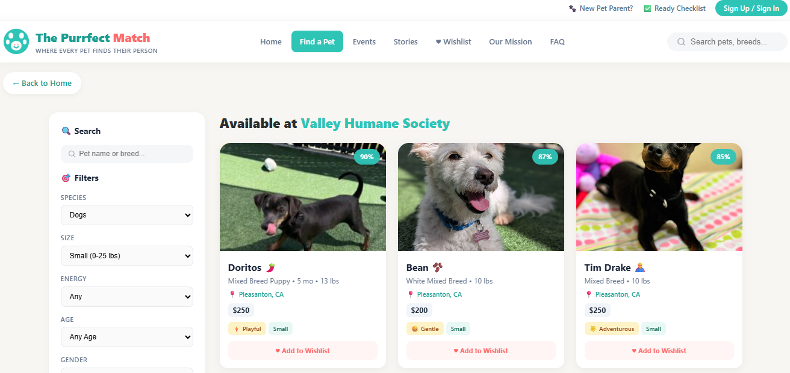
# | Section | Issue and how to fix | Status | Date
1 | Find a pet | Not able to open detailed info about pet after clicking the pet image | Done | 2026-06-15
2 | Home | pet match quiz should be collapsable. It should show question and options only when u click on it. | Done | 2026-06-15
3 | Find a pet | Filters are not sorting pet based on the filed in category. Ex. Only dogs should be visible if I select dog in filter | Done | 2026-06-15
4 | find a pet | Wishlist | Done | 2026-06-15
5 | home | Make menu or submenu fit into a single line | Done | 2026-06-15 |  |  |  |  | Search | Sign In
6 | Home | Make the roadmap fit into a single line | Done | 2026-06-15 | Adopt | Events | About | Donate | Help | Wishlist
7 | find a pet | Apply filter button, should refresh pets and show best matches on tops. Rt now I see both dogs and cats when I click cats. | Pending |  | Adopt a Dog |  | Vission, misssion, values |  | Tips
8 | Entire | Color theme: Main Text: Dark Charcoal. Background: Warm Cream .Buttons/Links: Bright Teal .Dusty Pink Use this for borders, icons, and faded backgrounds. | Pending |  | Adopt a Cat |  | Success Stories |  | Checklist
9 | Entire | Logo: cute dog and cat | Pending |  | Find a Match |  | Adoption process
10 | Entire | Add footer to website with some info of site, links to tabs on our site, partner shelter and disclaimer that pets may change and contact indiv. Shelters. | Pending |  | Sponsor |  | Partner Shelters
11 | find a pet | Pet info should open in full screen | Pending |  |  |  | FAQs
12 | New tab | Sort tabs on top pof the page as table is on the right | Pending
13 | find a pet | Filters on left side of page and pets on right | Pending

 |  | Example pic:

